WSF_Competitive
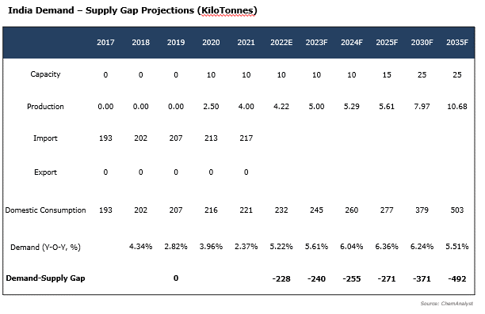
As stated on slide 17, there is only one manufacturer (GSFC) of calcium nitrate water soluble fertilizer (WSF) in India with an installed capacity of 10 Kilotonnes (commissioned in 2020. )
There is currently no other manufacturers of water-soluble fertilizers.
The suppliers (Such as Coromandel, Yara, Mangalore Chemicals, etc) import water-soluble fertilizers on a demand basis and sell under their own brand names.
Therefore in WSF competitive landscape chapter, the capacities and production had not been given
The market share is the representation of sales of the company's product (under own brand name but not manufctured) in the overall market

Global_India_WSF_Market
 | 2021 | 2022 | 2023 | 2024 | 2025 | 2026 | 2027 | 2028 | 2029 | 2030 | 2031 | 2032 | 2033 | 2034 | 2035 | CAGR (2021-2030) | CAGR (2031-2035)
Global WSF By Volume (Kilo Tonnes) | 3600.7 | 3780.7 | 3979.6 | 4197.7 | 4439.0 | 4688.9 | 4946.8 | 5211.5 | 5480.9 | 5751.7 | 6028.3 | 6302.0 | 6576.1 | 6849.7 | 7124.4 | 5.34% | 4.26%

Global WSF By Value (USD Million) | 4437.9 | 4694.6 | 4953.1 | 5253.0 | 5578.6 | 5912.4 | 6266.8 | 6631.7 | 7025.6 | 7405.4 | 7811.7 | 8201.6 | 8579.4 | 8976.7 | 9357.4 | 5.85% | 4.62%

India WSF By Volume (Kilo Tonnes) | 300.3 | 314.8 | 331.1 | 349.7 | 370.5 | 393.6 | 418.8 | 444.5 | 470.8 | 498.2 | 526.7 | 555.7 | 585.5 | 616.0 | 647.4 | 5.78% | 5.29%

India WSF By Value (USD Million) | 451.2 | 473.1 | 500.7 | 532.3 | 564.8 | 603.0 | 643.1 | 685.5 | 730.7 | 778.2 | 824.9 | 873.6 | 920.4 | 974.6 | 1024.2 | 6.24% | 5.56%
The Global and India water soluble fertilizer market stood at 3600 KT and 300 KT by volume in 2021, growing with a healthy CAGR of 5.34% and 5.78% to reach 5751 KT and 498 KT in 2030, respectively. In terms of value, the market stood at 4437 USD Million and 451 USD Million by value in 2021, surging with a CAGR of 5.85% and 6.24% to reach 7405 USD Million and 778 USD Million in 2030, respectively.
In addition, India's water-soluble fertilizer market contributes around 13% of the global market, making the country a potential market for the players.
The overall market size includes all the ten water soluble fertilizers as listed - WSF 19-19-19, WSF 17-44-0, WSF 13-40-13, Boronated Calcium Nitrate, Boronated Calcium Nitrate Liquid, Calcium Nitrate (15.5-0-0-19), Potassium Nitrate (13-0-45), Potassium Sulphate (0-0-50), Mono Ammonium Phosphate (12-61-0), and Mono Potassium Phosphate (0- 52-34).

